TIM
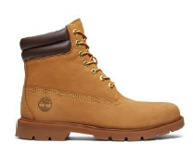

Timberland 2026 |  |  | DELIVERY JULY 202
 |  |  |  |  |  | 41 | 41.5 | 42 | 43 | 43.5 | 44 | 44.5 | 45 | 45.5 | 46 | 47 | EU sizes
Style-No. | Brand | Model | Color | Buying | Quantity | 7.5 | 8 | 8.5 | 9 | 9.5 | 10 | 10.5 | 11 | 11.5 | 12 | 12.5 | US-Sizes | RRP €

TB1A27TP231 | Timberland Basic | 6 Inch Lace Up Boot | Wheat | 84.50 | 7200 | 600 |  | 1200 | 1800 |  | 1800 |  | 1200 |  | 600 |  |  | 175.00

